Sheet1
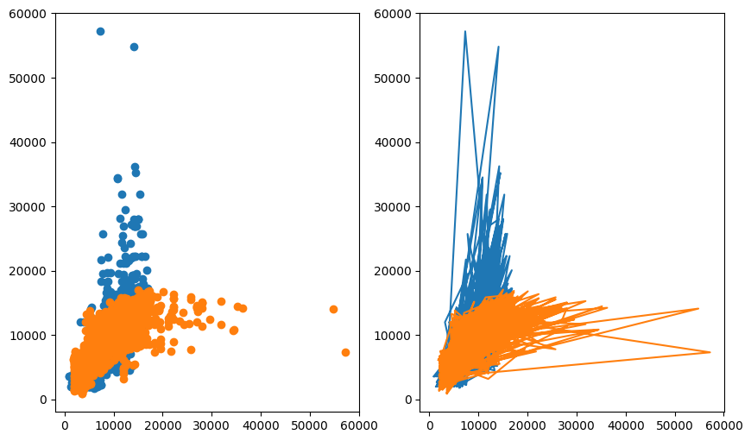
Algorithms&Report(Airline Dataset)

Linear Regression

R2 Scroe : 0.07375463846949792 Mean squared error : 10291432.749936875 Mean absoute error : 2081.05700941328 RMSE3208.0263013162585

